Sheet1
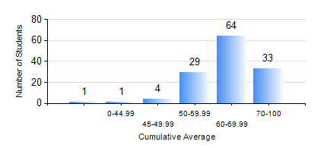
 |  |  | KWAME NKRUMAH UNIVERSITY OF SCIENCE AND TECHNOLOGY, KUMASI Department of Electrical/Electronic Engineering

 |  |  | BSC. ELECTRICAL/ELECTRONIC ENG.

 |  |  | COMPREHENSIVE RECORD OF EXAMINATION RESULTS

 |  |  | RESULTS OF YEAR 3 FIRST SEMESTER, 2019/2020 ACADEMIC YEAR

 | Sn | Course Code |  | Course Name | Credit Hours | Min. Mark | Max. Mark | Avg. Mark | Std. Dev. | No. Passed | No. Trailed | No. (Df) | No. (I) | No. (I*) | No. Tagged(I,I*,Df) | Total
 | 0. |  |  |  |  |  |  | 0 | 0 | 0 | 0 | 0 | 0 | 0 | 0 | 5
 | 1. | COE 381 |  | MICROPROCESSORS | 3 | 32 | 100 | 58 | 11.7 | 126 | 1 | 0 | 0 | 0 | 0 | 127
 | 2. | EE 365 |  | ELECTRICAL SERVICES DESIGN | 2 | 52 | 86 | 70 | 7.15 | 127 | 0 | 0 | 0 | 0 | 0 | 127
 | 3. | EE 367 |  | POWER GENERATION AND SUPPLY | 3 | 50 | 90 | 73 | 9.24 | 127 | 0 | 0 | 0 | 0 | 0 | 127
 | 4. | EE 371 |  | LINEAR ELECTRONIC CIRCUITS | 3 | 23 | 99 | 62 | 13.79 | 123 | 4 | 0 | 0 | 0 | 0 | 127
 | 5. | EE 387 |  | CLASSICAL CONTROL SYSTEMS | 2 | 23 | 97 | 63 | 17.29 | 114 | 13 | 0 | 0 | 0 | 0 | 127
 | 6. | MATH 351 |  | NUMERICAL ANALYSIS | 2 | 31 | 86 | 59 | 11.48 | 126 | 1 | 0 | 0 | 0 | 0 | 127
 | 7. | MATH 353 |  | PROBABILTY AND STATISTICS | 2 | 53 | 92 | 77 | 8.99 | 127 | 0 | 0 | 0 | 0 | 0 | 127
 | 8. | TE 271 |  | ANALOG COMMUNICATION SYSTEMS | 2 | 41 | 97 | 66 | 13.08 | 127 | 0 | 0 | 0 | 0 | 0 | 127

